1. Title Page
[Grocery Basket Analysis]

Project Name: Grocery Basket Analysis
Date: 6/23/2022
Analyst Name: Matthew Schleigh

Contents:
Population Flow
Consistency checks
Wrangling steps
Column derivations
Visualizations
Recommendations

Data source: | "The Instacart Online Grocery Shopping Dataset 2017”, Accessed from https://www.instacart.com/datasets/grocery-shopping-2017 on 6/1/2022
Source comments: | The 'customers.csv' dataset as well as the 'prices' column within the 'products.csv' dataset have been fabricated for the purposes of this course. Resemblance to any persons, living or dead, is purely coincidental.

2. Population Flow
Title page

Population flow

Exclusion flag
Condition: max_order <
Obervations to be removed:
Final total count of order_products_all:

Orders_products_combined
Orders_products_merged
Orders_products_all

Total: 32,404,859
Total: 32,434,489
Total: 32,404,859

1.) The grey boxes in the first row of the population flow represent the original data sets as they were when you downloaded them. In the Total fields you need to add the count of the rows when you imported the data set into Jupyter.
2.) The second row of boxes (coloured) represents the data sets after you manipulated them, e.g., removed missing values and duplicates. In the Total fields you need to add the count of the rows after conducting these operations. This offers a visual oveview of how the data flows throughout the data consistency checks.
3.) The third row, where also the arrows are coloured, represents the merges you performed between the datasets. In the Total fields you need to add the count of the rows in the merged datasets, so that you end up with the final dataset (in the red box). Keep in mind the final dataset should be without exclusions (based on the exclusion flag).

3. Consistency checks
 |  |  |  |  |  |  | Title page
Consistency checks

Dataset | Missing values | Missing values treatment | Duplicates
orders | days_since_prior_order: 206,209 | NaN' given value of '0' | 0
products | product_name': 16 | rows dropped, since if product name is not known, it is difficult to analyze values for unknown product | 5; dups all dropped
orders_products_prior | 0 | n/a | 0
customers | 11,259 | all were for 'first_name' only, so all rows kept intact | 0

*Crosstab check for orders.csv
days_since_prior_order | 1 | 2 | 3 | 4 | 5 | 6 | 7 | 8 | 9 | 10 | 11 | 12 | 13 | 14 | 15 | 16 | 17 | 18 | 19 | 20 | 21 | 22 | 23 | 24 | 25 | 26 | 27 | 28 | 29 | 30 | 31 | 32 | 33 | 34 | 35 | 36 | 37 | 38 | 39 | 40 | 41 | 42 | 43 | 44 | 45 | 46 | 47 | 48 | 49 | 50 | 51 | 52 | 53 | 54 | 55 | 56 | 57 | 58 | 59 | 60 | 61 | 62 | 63 | 64 | 65 | 66 | 67 | 68 | 69 | 70 | 71 | 72 | 73 | 74 | 75 | 76 | 77 | 78 | 79 | 80 | 81 | 82 | 83 | 84 | 85 | 86 | 87 | 88 | 89 | 90 | 91 | 92 | 93 | 94 | 95 | 96 | 97 | 98 | 99 | 100
0 | 0 | 2899 | 2915 | 2964 | 2634 | 2443 | 2236 | 2101 | 1972 | 1782 | 1815 | 1567 | 1460 | 1383 | 1355 | 1264 | 1210 | 1225 | 1100 | 1037 | 1092 | 999 | 948 | 932 | 918 | 841 | 890 | 806 | 812 | 785 | 710 | 749 | 685 | 678 | 680 | 659 | 636 | 603 | 581 | 592 | 623 | 551 | 538 | 542 | 478 | 516 | 489 | 452 | 456 | 402 | 396 | 432 | 400 | 366 | 355 | 362 | 347 | 338 | 324 | 352 | 308 | 334 | 297 | 293 | 253 | 310 | 277 | 265 | 242 | 240 | 243 | 232 | 235 | 219 | 195 | 229 | 227 | 190 | 188 | 167 | 183 | 180 | 171 | 174 | 173 | 179 | 168 | 174 | 154 | 153 | 156 | 154 | 125 | 151 | 151 | 153 | 120 | 144 | 134 | 137
1 | 0 | 4822 | 4613 | 4690 | 4423 | 4047 | 4000 | 3744 | 3503 | 3358 | 3316 | 3120 | 3036 | 2929 | 2882 | 2828 | 2654 | 2545 | 2456 | 2435 | 2385 | 2163 | 2105 | 2081 | 2035 | 2000 | 1987 | 1866 | 1884 | 1850 | 1792 | 1762 | 1669 | 1613 | 1550 | 1460 | 1505 | 1459 | 1476 | 1420 | 1365 | 1355 | 1304 | 1300 | 1293 | 1247 | 1232 | 1206 | 1157 | 1117 | 1157 | 1034 | 1014 | 1037 | 1011 | 947 | 917 | 922 | 898 | 848 | 823 | 847 | 775 | 806 | 746 | 716 | 724 | 648 | 659 | 664 | 630 | 637 | 591 | 627 | 590 | 562 | 571 | 566 | 530 | 565 | 494 | 492 | 496 | 477 | 447 | 458 | 435 | 412 | 432 | 406 | 397 | 396 | 373 | 359 | 366 | 330 | 356 | 360 | 339 | 321
2 | 0 | 6203 | 6209 | 6231 | 5789 | 5679 | 5274 | 5090 | 4914 | 4705 | 4536 | 4362 | 4247 | 4089 | 3936 | 3746 | 3674 | 3522 | 3475 | 3249 | 3192 | 3197 | 3080 | 2982 | 2891 | 2863 | 2718 | 2637 | 2532 | 2566 | 2411 | 2361 | 2294 | 2308 | 2181 | 2141 | 2132 | 2054 | 1990 | 1905 | 1871 | 1840 | 1727 | 1671 | 1627 | 1647 | 1529 | 1616 | 1513 | 1423 | 1427 | 1354 | 1318 | 1288 | 1249 | 1193 | 1181 | 1143 | 1083 | 1081 | 1091 | 1005 | 1019 | 980 | 938 | 941 | 852 | 887 | 852 | 823 | 820 | 782 | 754 | 718 | 705 | 698 | 653 | 630 | 614 | 577 | 590 | 544 | 545 | 552 | 515 | 475 | 474 | 495 | 422 | 430 | 416 | 405 | 407 | 389 | 359 | 351 | 359 | 346 | 318 | 329
3 | 0 | 7411 | 7577 | 7414 | 7097 | 6770 | 6424 | 6078 | 5750 | 5663 | 5456 | 5216 | 4994 | 4822 | 4584 | 4534 | 4336 | 4154 | 4070 | 3836 | 3812 | 3735 | 3594 | 3473 | 3395 | 3257 | 3079 | 3136 | 2976 | 2737 | 2749 | 2764 | 2662 | 2521 | 2431 | 2403 | 2284 | 2276 | 2161 | 2272 | 2020 | 1989 | 1940 | 1875 | 1802 | 1756 | 1694 | 1661 | 1549 | 1627 | 1484 | 1517 | 1412 | 1329 | 1269 | 1278 | 1202 | 1157 | 1169 | 1038 | 1096 | 1030 | 982 | 980 | 898 | 838 | 857 | 785 | 831 | 746 | 709 | 695 | 668 | 673 | 641 | 610 | 578 | 573 | 560 | 523 | 527 | 494 | 447 | 430 | 444 | 426 | 417 | 360 | 382 | 357 | 345 | 287 | 330 | 294 | 291 | 292 | 254 | 221 | 240 | 223
4 | 0 | 8415 | 8476 | 8469 | 8029 | 7608 | 7092 | 6735 | 6534 | 6395 | 6080 | 5741 | 5406 | 5192 | 5010 | 4840 | 4595 | 4490 | 4276 | 4083 | 3928 | 3949 | 3857 | 3556 | 3617 | 3356 | 3213 | 3137 | 2966 | 2854 | 2782 | 2647 | 2512 | 2585 | 2473 | 2355 | 2309 | 2202 | 2178 | 1978 | 1965 | 1924 | 1894 | 1872 | 1746 | 1658 | 1591 | 1555 | 1511 | 1398 | 1349 | 1256 | 1254 | 1217 | 1126 | 1133 | 1146 | 1014 | 976 | 986 | 884 | 867 | 830 | 730 | 771 | 720 | 687 | 633 | 603 | 634 | 620 | 550 | 542 | 501 | 517 | 436 | 460 | 428 | 410 | 425 | 377 | 384 | 332 | 291 | 301 | 281 | 278 | 268 | 263 | 253 | 221 | 238 | 225 | 191 | 193 | 185 | 183 | 170 | 170 | 153
5 | 0 | 9216 | 9329 | 9220 | 8600 | 8228 | 7703 | 7270 | 6828 | 6563 | 6148 | 5773 | 5581 | 5419 | 5046 | 4884 | 4816 | 4562 | 4355 | 4210 | 4067 | 3812 | 3579 | 3677 | 3439 | 3198 | 3186 | 2996 | 2873 | 2819 | 2775 | 2541 | 2520 | 2320 | 2236 | 2126 | 2065 | 1927 | 1914 | 1897 | 1777 | 1695 | 1582 | 1512 | 1483 | 1408 | 1338 | 1264 | 1242 | 1131 | 1100 | 1070 | 1025 | 980 | 931 | 847 | 849 | 792 | 711 | 695 | 635 | 598 | 599 | 555 | 523 | 516 | 454 | 506 | 463 | 412 | 391 | 393 | 350 | 343 | 321 | 306 | 243 | 264 | 251 | 254 | 231 | 236 | 188 | 192 | 216 | 193 | 170 | 155 | 142 | 162 | 142 | 128 | 105 | 119 | 119 | 120 | 100 | 95 | 82 | 81
6 | 0 | 11419 | 11701 | 11601 | 10771 | 10054 | 9521 | 8842 | 8527 | 7727 | 7628 | 7210 | 6661 | 6337 | 6121 | 5714 | 5487 | 5228 | 5030 | 4839 | 4647 | 4326 | 4207 | 3879 | 3650 | 3615 | 3374 | 3260 | 3108 | 2981 | 2810 | 2745 | 2598 | 2524 | 2384 | 2309 | 2135 | 2054 | 1989 | 1855 | 1766 | 1642 | 1563 | 1552 | 1492 | 1321 | 1264 | 1109 | 1124 | 1047 | 1002 | 880 | 864 | 777 | 779 | 728 | 636 | 594 | 587 | 566 | 504 | 455 | 472 | 417 | 434 | 370 | 364 | 322 | 327 | 296 | 274 | 233 | 248 | 234 | 203 | 176 | 205 | 174 | 161 | 154 | 152 | 128 | 134 | 140 | 120 | 112 | 97 | 104 | 92 | 78 | 77 | 91 | 86 | 82 | 67 | 59 | 58 | 50 | 58 | 44
7 | 0 | 16788 | 16609 | 16341 | 15135 | 13834 | 13268 | 12452 | 11612 | 10980 | 10159 | 9735 | 9462 | 8802 | 8298 | 7995 | 7428 | 7143 | 6771 | 6489 | 6224 | 5896 | 5698 | 5300 | 5057 | 4829 | 4517 | 4311 | 4236 | 4010 | 3713 | 3566 | 3363 | 3160 | 2976 | 2888 | 2777 | 2666 | 2430 | 2361 | 2285 | 2152 | 2025 | 1802 | 1721 | 1651 | 1577 | 1463 | 1329 | 1270 | 1158 | 1131 | 956 | 894 | 787 | 666 | 645 | 574 | 570 | 506 | 455 | 437 | 376 | 336 | 332 | 328 | 299 | 262 | 228 | 215 | 212 | 216 | 197 | 168 | 158 | 166 | 156 | 137 | 126 | 101 | 98 | 104 | 100 | 92 | 83 | 73 | 68 | 66 | 70 | 70 | 60 | 56 | 48 | 56 | 36 | 37 | 37 | 41 | 32 | 35
8 | 0 | 10422 | 10304 | 10148 | 9378 | 8738 | 8068 | 7594 | 6894 | 6511 | 6148 | 5801 | 5416 | 5125 | 4893 | 4484 | 4200 | 4026 | 3793 | 3680 | 3348 | 3282 | 2967 | 2892 | 2702 | 2583 | 2415 | 2352 | 2121 | 2017 | 1937 | 1759 | 1723 | 1533 | 1537 | 1426 | 1392 | 1301 | 1213 | 1123 | 1055 | 996 | 940 | 851 | 819 | 750 | 693 | 649 | 628 | 593 | 525 | 459 | 448 | 380 | 336 | 333 | 275 | 275 | 257 | 235 | 233 | 221 | 181 | 163 | 162 | 134 | 118 | 130 | 117 | 122 | 96 | 99 | 102 | 89 | 79 | 70 | 74 | 68 | 71 | 51 | 49 | 36 | 52 | 57 | 25 | 34 | 31 | 38 | 37 | 22 | 29 | 22 | 24 | 26 | 23 | 30 | 18 | 16 | 12 | 13
9 | 0 | 7053 | 7160 | 7013 | 6610 | 5993 | 5497 | 5082 | 4760 | 4404 | 4154 | 3776 | 3670 | 3422 | 3167 | 2978 | 2761 | 2566 | 2502 | 2285 | 2156 | 1964 | 1955 | 1812 | 1654 | 1520 | 1541 | 1431 | 1332 | 1246 | 1158 | 1128 | 1040 | 934 | 949 | 836 | 757 | 739 | 658 | 662 | 590 | 543 | 513 | 499 | 441 | 387 | 381 | 310 | 311 | 311 | 267 | 237 | 224 | 224 | 202 | 178 | 168 | 167 | 153 | 146 | 126 | 99 | 94 | 98 | 97 | 76 | 92 | 83 | 58 | 57 | 47 | 46 | 39 | 58 | 40 | 41 | 34 | 40 | 38 | 31 | 27 | 27 | 34 | 25 | 11 | 21 | 18 | 19 | 27 | 15 | 12 | 8 | 14 | 12 | 8 | 6 | 7 | 8 | 7 | 11
10 | 0 | 5969 | 6037 | 5938 | 5376 | 5018 | 4479 | 4245 | 3844 | 3531 | 3403 | 3237 | 2963 | 2834 | 2517 | 2329 | 2268 | 2032 | 1916 | 1832 | 1676 | 1514 | 1493 | 1405 | 1372 | 1265 | 1160 | 1035 | 994 | 946 | 903 | 827 | 792 | 721 | 674 | 629 | 589 | 553 | 535 | 431 | 451 | 433 | 363 | 341 | 325 | 315 | 295 | 273 | 208 | 222 | 211 | 189 | 182 | 149 | 144 | 128 | 135 | 107 | 99 | 92 | 92 | 69 | 71 | 76 | 83 | 61 | 61 | 55 | 42 | 43 | 30 | 46 | 50 | 34 | 46 | 32 | 27 | 30 | 20 | 24 | 19 | 16 | 27 | 22 | 22 | 16 | 19 | 9 | 15 | 6 | 9 | 20 | 10 | 6 | 11 | 1 | 7 | 4 | 4 | 7
11 | 0 | 5352 | 5388 | 5325 | 4718 | 4363 | 4087 | 3767 | 3429 | 3180 | 2941 | 2771 | 2540 | 2329 | 2194 | 2086 | 1946 | 1745 | 1604 | 1540 | 1363 | 1369 | 1147 | 1103 | 1011 | 1007 | 966 | 847 | 790 | 702 | 742 | 603 | 594 | 541 | 541 | 481 | 458 | 387 | 366 | 365 | 323 | 282 | 293 | 263 | 237 | 211 | 198 | 184 | 174 | 151 | 158 | 134 | 125 | 126 | 105 | 98 | 102 | 89 | 72 | 59 | 72 | 55 | 64 | 52 | 52 | 36 | 39 | 36 | 26 | 41 | 38 | 29 | 29 | 23 | 28 | 27 | 21 | 15 | 19 | 19 | 16 | 23 | 11 | 13 | 10 | 9 | 8 | 9 | 4 | 5 | 13 | 13 | 5 | 7 | 8 | 6 | 6 | 1 | 3 | 7
12 | 0 | 5206 | 5357 | 5348 | 4657 | 4333 | 3954 | 3568 | 3404 | 2941 | 2733 | 2613 | 2438 | 2185 | 2085 | 1943 | 1814 | 1591 | 1493 | 1429 | 1253 | 1178 | 1096 | 1039 | 949 | 835 | 780 | 724 | 681 | 642 | 597 | 553 | 496 | 455 | 459 | 430 | 373 | 371 | 328 | 299 | 285 | 246 | 230 | 207 | 199 | 194 | 169 | 142 | 139 | 142 | 120 | 128 | 101 | 94 | 69 | 71 | 67 | 66 | 67 | 66 | 42 | 45 | 52 | 36 | 40 | 43 | 32 | 35 | 38 | 22 | 28 | 25 | 25 | 22 | 20 | 20 | 9 | 19 | 16 | 11 | 14 | 7 | 11 | 11 | 14 | 5 | 8 | 7 | 8 | 6 | 4 | 5 | 4 | 5 | 6 | 5 | 5 | 1 | 5 | 3
13 | 0 | 6098 | 6265 | 6003 | 5520 | 4855 | 4480 | 4083 | 3708 | 3408 | 3199 | 2847 | 2646 | 2357 | 2230 | 2028 | 1943 | 1786 | 1581 | 1396 | 1407 | 1210 | 1148 | 1034 | 974 | 899 | 813 | 703 | 728 | 644 | 592 | 523 | 479 | 490 | 447 | 401 | 352 | 326 | 296 | 286 | 277 | 228 | 210 | 204 | 162 | 175 | 172 | 117 | 118 | 107 | 99 | 85 | 91 | 77 | 74 | 72 | 49 | 51 | 46 | 33 | 48 | 39 | 33 | 37 | 26 | 23 | 27 | 39 | 23 | 19 | 17 | 17 | 14 | 8 | 10 | 20 | 9 | 14 | 16 | 7 | 12 | 11 | 8 | 11 | 6 | 9 | 6 | 6 | 8 | 8 | 8 | 9 | 5 | 6 | 5 | 2 | 3 | 6 | 6 | 1
14 | 0 | 7680 | 7529 | 7577 | 6951 | 6004 | 5549 | 4976 | 4563 | 4187 | 3775 | 3471 | 3194 | 2922 | 2630 | 2482 | 2298 | 2107 | 1881 | 1759 | 1537 | 1439 | 1344 | 1235 | 1105 | 1053 | 981 | 878 | 762 | 747 | 694 | 596 | 561 | 503 | 438 | 441 | 413 | 332 | 328 | 257 | 265 | 216 | 239 | 219 | 184 | 172 | 164 | 144 | 118 | 109 | 100 | 65 | 85 | 65 | 65 | 80 | 69 | 64 | 59 | 42 | 42 | 35 | 36 | 36 | 19 | 19 | 34 | 27 | 26 | 21 | 20 | 26 | 18 | 15 | 8 | 13 | 14 | 13 | 9 | 6 | 7 | 7 | 9 | 6 | 7 | 4 | 5 | 6 | 2 | 3 | 1 | 3 | 12 | 3 | 3 | 3 | 4 | 2 | 1 | 2
15 | 0 | 5219 | 5121 | 5225 | 4588 | 4068 | 3670 | 3384 | 3046 | 2793 | 2566 | 2398 | 2109 | 1908 | 1761 | 1626 | 1478 | 1294 | 1223 | 1152 | 1002 | 996 | 843 | 767 | 755 | 616 | 611 | 575 | 499 | 488 | 396 | 391 | 353 | 307 | 281 | 258 | 240 | 242 | 196 | 188 | 151 | 178 | 154 | 138 | 123 | 97 | 97 | 101 | 76 | 95 | 50 | 50 | 46 | 59 | 50 | 42 | 30 | 36 | 35 | 25 | 21 | 23 | 23 | 23 | 11 | 19 | 12 | 10 | 15 | 12 | 14 | 9 | 11 | 9 | 7 | 11 | 4 | 5 | 6 | 5 | 4 | 3 | 9 | 7 | 7 | 5 | 3 | 1 | 1 | 4 | 3 | 3 | 2 | 1 | 3 | 2 | 2 | 1 | 1 | 1
16 | 0 | 3791 | 3794 | 3690 | 3316 | 2994 | 2665 | 2370 | 2269 | 2085 | 1815 | 1598 | 1462 | 1350 | 1220 | 1090 | 1008 | 983 | 851 | 754 | 694 | 645 | 559 | 571 | 492 | 432 | 356 | 367 | 342 | 262 | 249 | 253 | 228 | 205 | 181 | 187 | 161 | 150 | 127 | 119 | 97 | 87 | 87 | 76 | 88 | 66 | 72 | 71 | 48 | 60 | 42 | 42 | 38 | 34 | 42 | 28 | 25 | 24 | 19 | 16 | 11 | 7 | 12 | 10 | 14 | 7 | 9 | 5 | 5 | 6 | 11 | 7 | 10 | 6 | 9 | 3 | 6 | 4 | 6 | 2 | 5 | 5 | 3 | 2 | 4 | 2 | 4 | 2 | 1 | 2 | 1 | 1 | 0 | 2 | 0 | 3 | 2 | 3 | 1 | 1
17 | 0 | 3131 | 3241 | 3226 | 2823 | 2546 | 2152 | 2039 | 1791 | 1662 | 1498 | 1323 | 1276 | 1145 | 1024 | 944 | 846 | 820 | 729 | 636 | 566 | 544 | 497 | 444 | 370 | 367 | 329 | 280 | 257 | 208 | 205 | 194 | 197 | 165 | 160 | 142 | 118 | 103 | 107 | 88 | 112 | 87 | 65 | 69 | 58 | 56 | 54 | 48 | 44 | 32 | 38 | 33 | 30 | 23 | 32 | 17 | 18 | 25 | 15 | 10 | 18 | 14 | 13 | 19 | 6 | 5 | 6 | 10 | 8 | 6 | 5 | 7 | 4 | 3 | 9 | 3 | 3 | 3 | 2 | 3 | 3 | 7 | 1 | 1 | 3 | 2 | 4 | 1 | 2 | 2 | 0 | 4 | 1 | 1 | 1 | 2 | 2 | 0 | 2 | 0
18 | 0 | 3041 | 2971 | 2904 | 2660 | 2337 | 2078 | 1850 | 1730 | 1531 | 1399 | 1291 | 1145 | 1042 | 921 | 823 | 738 | 727 | 656 | 596 | 495 | 453 | 385 | 370 | 350 | 302 | 277 | 247 | 212 | 205 | 191 | 191 | 172 | 135 | 154 | 136 | 90 | 95 | 95 | 76 | 80 | 69 | 64 | 57 | 39 | 43 | 40 | 32 | 39 | 31 | 28 | 28 | 21 | 19 | 21 | 18 | 10 | 9 | 19 | 18 | 11 | 11 | 7 | 8 | 3 | 10 | 5 | 9 | 7 | 4 | 3 | 2 | 4 | 0 | 1 | 2 | 4 | 1 | 7 | 1 | 6 | 1 | 1 | 2 | 3 | 0 | 3 | 0 | 2 | 0 | 1 | 1 | 0 | 2 | 0 | 1 | 0 | 0 | 2 | 0
19 | 0 | 2861 | 2999 | 2877 | 2579 | 2359 | 2081 | 1872 | 1621 | 1469 | 1343 | 1190 | 1116 | 966 | 878 | 770 | 687 | 658 | 612 | 486 | 478 | 456 | 390 | 338 | 314 | 258 | 235 | 237 | 223 | 172 | 177 | 167 | 135 | 152 | 121 | 116 | 78 | 80 | 71 | 47 | 55 | 62 | 56 | 45 | 42 | 36 | 35 | 44 | 30 | 28 | 34 | 30 | 16 | 20 | 15 | 17 | 6 | 13 | 7 | 8 | 10 | 3 | 7 | 8 | 6 | 9 | 1 | 5 | 3 | 7 | 6 | 5 | 2 | 3 | 5 | 3 | 3 | 5 | 1 | 3 | 1 | 0 | 5 | 0 | 2 | 2 | 2 | 1 | 0 | 0 | 2 | 0 | 0 | 0 | 1 | 2 | 2 | 0 | 0 | 1
20 | 0 | 3411 | 3380 | 3427 | 2953 | 2593 | 2355 | 2113 | 1810 | 1677 | 1418 | 1365 | 1178 | 1080 | 974 | 885 | 766 | 696 | 643 | 594 | 522 | 451 | 417 | 349 | 305 | 297 | 265 | 207 | 219 | 225 | 178 | 163 | 146 | 151 | 136 | 107 | 93 | 83 | 93 | 68 | 65 | 58 | 53 | 47 | 46 | 36 | 38 | 36 | 25 | 29 | 24 | 27 | 17 | 17 | 17 | 15 | 12 | 18 | 10 | 8 | 8 | 10 | 3 | 8 | 9 | 13 | 10 | 5 | 1 | 2 | 0 | 5 | 3 | 3 | 5 | 3 | 3 | 2 | 3 | 5 | 4 | 6 | 7 | 1 | 1 | 2 | 1 | 3 | 1 | 2 | 4 | 1 | 0 | 1 | 0 | 0 | 0 | 0 | 0 | 1
21 | 0 | 4258 | 4205 | 4067 | 3459 | 3263 | 2801 | 2429 | 2205 | 2021 | 1720 | 1566 | 1362 | 1235 | 1112 | 978 | 870 | 801 | 706 | 645 | 611 | 478 | 469 | 422 | 378 | 365 | 291 | 261 | 250 | 242 | 191 | 170 | 157 | 176 | 137 | 122 | 103 | 98 | 76 | 74 | 69 | 55 | 45 | 43 | 51 | 41 | 39 | 34 | 39 | 26 | 19 | 13 | 20 | 16 | 18 | 21 | 15 | 11 | 6 | 9 | 9 | 8 | 3 | 7 | 6 | 6 | 3 | 7 | 3 | 5 | 1 | 2 | 5 | 5 | 5 | 3 | 1 | 3 | 5 | 3 | 1 | 0 | 1 | 1 | 0 | 2 | 0 | 3 | 1 | 2 | 0 | 1 | 1 | 0 | 1 | 0 | 0 | 1 | 0 | 1
22 | 0 | 2956 | 2866 | 2887 | 2504 | 2168 | 2015 | 1756 | 1619 | 1451 | 1224 | 1135 | 966 | 870 | 839 | 703 | 634 | 567 | 462 | 474 | 414 | 330 | 352 | 294 | 251 | 231 | 193 | 195 | 142 | 140 | 130 | 141 | 93 | 105 | 86 | 82 | 76 | 70 | 40 | 57 | 51 | 38 | 34 | 36 | 30 | 27 | 35 | 28 | 24 | 14 | 15 | 25 | 13 | 14 | 15 | 10 | 7 | 10 | 4 | 7 | 5 | 1 | 6 | 1 | 3 | 3 | 2 | 2 | 3 | 2 | 3 | 2 | 2 | 3 | 2 | 2 | 0 | 3 | 2 | 1 | 0 | 0 | 1 | 1 | 0 | 1 | 0 | 2 | 0 | 0 | 1 | 0 | 0 | 0 | 1 | 0 | 0 | 0 | 1 | 1
23 | 0 | 2268 | 2296 | 2204 | 1889 | 1666 | 1516 | 1282 | 1208 | 995 | 902 | 836 | 738 | 644 | 591 | 497 | 475 | 387 | 339 | 321 | 300 | 278 | 233 | 213 | 161 | 181 | 142 | 130 | 115 | 104 | 109 | 84 | 86 | 57 | 47 | 55 | 54 | 48 | 41 | 41 | 33 | 34 | 26 | 19 | 28 | 19 | 17 | 12 | 9 | 14 | 14 | 16 | 9 | 8 | 7 | 14 | 4 | 7 | 3 | 4 | 7 | 5 | 3 | 4 | 3 | 0 | 2 | 2 | 3 | 1 | 2 | 0 | 1 | 4 | 2 | 3 | 0 | 1 | 1 | 2 | 0 | 0 | 1 | 2 | 0 | 0 | 0 | 0 | 0 | 2 | 0 | 1 | 0 | 0 | 1 | 0 | 0 | 0 | 2 | 0
24 | 0 | 1875 | 1960 | 1900 | 1754 | 1496 | 1334 | 1176 | 996 | 955 | 808 | 695 | 615 | 567 | 497 | 421 | 374 | 358 | 302 | 256 | 235 | 219 | 208 | 200 | 137 | 144 | 147 | 85 | 92 | 69 | 83 | 80 | 64 | 60 | 72 | 50 | 46 | 40 | 34 | 29 | 31 | 22 | 21 | 19 | 18 | 16 | 17 | 15 | 8 | 6 | 9 | 5 | 9 | 7 | 6 | 9 | 4 | 10 | 2 | 5 | 5 | 4 | 2 | 3 | 6 | 2 | 0 | 1 | 1 | 2 | 2 | 0 | 2 | 1 | 1 | 0 | 1 | 1 | 3 | 0 | 0 | 1 | 0 | 0 | 0 | 1 | 1 | 0 | 0 | 0 | 0 | 0 | 0 | 0 | 0 | 0 | 0 | 0 | 0 | 0
25 | 0 | 1843 | 1879 | 1847 | 1619 | 1400 | 1198 | 1016 | 964 | 807 | 683 | 677 | 604 | 523 | 485 | 396 | 345 | 330 | 277 | 255 | 227 | 222 | 160 | 130 | 137 | 124 | 111 | 111 | 90 | 95 | 71 | 66 | 53 | 43 | 43 | 32 | 34 | 35 | 31 | 29 | 22 | 15 | 23 | 21 | 17 | 8 | 5 | 9 | 10 | 12 | 9 | 5 | 11 | 1 | 6 | 6 | 3 | 7 | 5 | 2 | 2 | 6 | 5 | 5 | 3 | 1 | 3 | 4 | 0 | 1 | 4 | 0 | 0 | 0 | 2 | 0 | 1 | 1 | 0 | 1 | 2 | 1 | 2 | 1 | 0 | 0 | 0 | 0 | 0 | 0 | 0 | 0 | 0 | 0 | 0 | 0 | 0 | 0 | 0 | 0
26 | 0 | 1872 | 1890 | 1760 | 1619 | 1442 | 1238 | 1084 | 984 | 843 | 742 | 658 | 556 | 508 | 422 | 421 | 338 | 304 | 265 | 250 | 208 | 185 | 178 | 123 | 113 | 95 | 110 | 77 | 74 | 63 | 70 | 51 | 52 | 43 | 31 | 30 | 34 | 23 | 26 | 25 | 21 | 14 | 26 | 8 | 13 | 12 | 15 | 6 | 10 | 3 | 7 | 9 | 2 | 5 | 2 | 8 | 1 | 6 | 2 | 5 | 2 | 1 | 2 | 1 | 1 | 4 | 4 | 1 | 1 | 0 | 1 | 3 | 2 | 1 | 1 | 2 | 0 | 0 | 1 | 0 | 1 | 1 | 0 | 0 | 1 | 1 | 0 | 1 | 0 | 0 | 0 | 0 | 0 | 0 | 1 | 0 | 0 | 0 | 0 | 0
27 | 0 | 2177 | 2236 | 2258 | 1994 | 1598 | 1439 | 1340 | 1138 | 925 | 813 | 706 | 635 | 595 | 510 | 441 | 372 | 304 | 292 | 245 | 221 | 177 | 168 | 162 | 125 | 129 | 106 | 107 | 73 | 77 | 66 | 50 | 51 | 44 | 44 | 36 | 34 | 25 | 29 | 30 | 22 | 22 | 26 | 13 | 15 | 16 | 14 | 9 | 9 | 4 | 6 | 6 | 10 | 6 | 3 | 3 | 3 | 4 | 2 | 4 | 4 | 3 | 2 | 2 | 3 | 1 | 6 | 3 | 0 | 2 | 0 | 2 | 0 | 1 | 1 | 1 | 2 | 0 | 2 | 0 | 1 | 1 | 0 | 2 | 0 | 1 | 1 | 1 | 1 | 1 | 0 | 0 | 0 | 0 | 0 | 0 | 0 | 0 | 0 | 0
28 | 0 | 2728 | 2760 | 2797 | 2287 | 2035 | 1745 | 1592 | 1385 | 1187 | 975 | 880 | 778 | 688 | 565 | 512 | 448 | 396 | 349 | 333 | 286 | 211 | 193 | 183 | 151 | 141 | 138 | 96 | 101 | 82 | 89 | 68 | 51 | 57 | 33 | 54 | 47 | 37 | 30 | 25 | 19 | 21 | 20 | 22 | 18 | 21 | 10 | 12 | 17 | 4 | 6 | 8 | 9 | 5 | 10 | 4 | 7 | 3 | 4 | 2 | 5 | 3 | 3 | 2 | 4 | 3 | 1 | 0 | 3 | 0 | 0 | 3 | 1 | 0 | 0 | 2 | 3 | 0 | 1 | 1 | 0 | 0 | 2 | 0 | 0 | 1 | 1 | 0 | 0 | 0 | 0 | 0 | 1 | 0 | 0 | 1 | 0 | 0 | 0 | 1
29 | 0 | 1986 | 2012 | 1971 | 1711 | 1489 | 1259 | 1113 | 984 | 837 | 707 | 583 | 560 | 498 | 432 | 376 | 325 | 287 | 248 | 212 | 168 | 190 | 132 | 141 | 105 | 103 | 84 | 86 | 59 | 55 | 62 | 42 | 37 | 50 | 42 | 20 | 25 | 16 | 18 | 19 | 14 | 18 | 18 | 8 | 11 | 5 | 8 | 7 | 8 | 3 | 4 | 2 | 9 | 3 | 3 | 1 | 2 | 1 | 2 | 2 | 1 | 3 | 1 | 0 | 0 | 0 | 1 | 1 | 2 | 1 | 0 | 0 | 1 | 0 | 1 | 0 | 1 | 1 | 0 | 0 | 1 | 0 | 0 | 1 | 1 | 0 | 0 | 0 | 0 | 0 | 1 | 0 | 0 | 0 | 0 | 0 | 0 | 0 | 0 | 0
30 | 0 | 47839 | 47130 | 48887 | 38780 | 31212 | 25290 | 20575 | 16926 | 14155 | 11592 | 9740 | 8115 | 6927 | 5901 | 4871 | 4162 | 3523 | 3064 | 2623 | 2217 | 1942 | 1702 | 1392 | 1298 | 1119 | 950 | 877 | 735 | 644 | 551 | 474 | 460 | 414 | 340 | 295 | 282 | 249 | 227 | 162 | 142 | 145 | 124 | 129 | 130 | 122 | 90 | 88 | 70 | 53 | 52 | 58 | 42 | 37 | 29 | 26 | 28 | 30 | 18 | 22 | 19 | 27 | 16 | 26 | 16 | 15 | 9 | 9 | 8 | 7 | 8 | 8 | 5 | 6 | 3 | 9 | 6 | 8 | 3 | 3 | 4 | 6 | 4 | 2 | 1 | 2 | 2 | 3 | 0 | 1 | 2 | 2 | 2 | 0 | 1 | 1 | 0 | 1 | 1 | 0

4. Wrangling steps
 |  |  |  | Title page
Wrangling steps

Columns dropped | Columns renamed | Columns' type changed | Comment/Reason
eval_set |  |  | Unnecessary
 | order_dow: order_day_of_week |  | Clarity
 |  | user_id: int64 to object | Needed for merging df's
 | Surnam: last_name |  | Clarity
 | First Name: first_name |  | match format
 | Gender: gender |  | match format
 | STATE: state |  | match format
 | Age: age |  | match format
 | n_dependants: #_of_dependents |  | Clarity
 | fam_status: marital_status |  | Clarity
 |  | first_name | mixed type, needs to be string
first_name |  |  | PII protection
last_name |  |  | PII protection

5. Column derivations
 |  |  |  | Title page

Column derivations and aggregations

In this tab you should add tables below that the frequences of flags/label variables that you produced after deriving them. NB: don't do this for continuous variables, only for flags.
Dataset | New column | Column/s it was derived from | Conditions
ords_prods_merge | price_range_loc | prices | mid_range, low-range, high-range products
ords_prods_merge | busiest_day | order_day_of_week | value = 0, 4, or else
ords_prods_merge | busiest_days | order_day_of_week | value = 0, 1, 3, 4, or else
ords_prods_merge | busiest_period_of_day | order_hour_of_day | value = 10, 11, 14, 15, 13, 3, 4, 2, 5, 1
ords_prods_merge | max_order | user_id, order_number | maximum number of orders for each user
ords_prods_merge | loyalty_flag | max_order | loyal, regular, and new
ords_prods_merge | mean_spending | user_id, prices | mean values of product prices customers bought
ords_prods_merge | Spender_type | mean_spending | high and low
ords_prods_merge | median_ord_freq | user_id, days_since_prior_order | median values of length of time between orders per customer
ords_prods_merge | customer_frequency | median_org_freq | non-frequent, regular, frequent
df_anon | region | state | northeast, midwest, south, west
df_anon | activity_flag | max_order | low and regular
df_anon | income_range | income | 0-49,999, 50,000-99,999, 100,000-149,999, 150,000-199,999, 200,000 and over
df_anon | department_name | department_id | appended names matching corresponding department ID numbers
df_anon | day_ordered | order_day_of_week | appended names matching corresponding order day of week numbers
df_anon | income_bracket | income_range | Low, middle, and upper income
df_anon | age_bracket | age_range | Young adult, adult, middle-age adult, senior
df_anon | children | #_of_dependents | children, no children

6. Visualizations
Title page

Visualisations

In this tab you should include all the visualtions from Exercises 4.9 and 4.10, alongside the questions from the project brief that they answer. Include any commentary on the relationship between different variables.

They also want to know whether there are particular times of the day when people spend the most money, as this might inform the type of products they advertise at these times.
Instacart has a lot of products with different price tags. Marketing and sales want to use simpler price range groupings to help direct their efforts.

The sales team needs to know what the busiest days of the week and hours of the day are (i.e., the days and times with the most orders) in order to schedule ads at times when there are fewer orders.

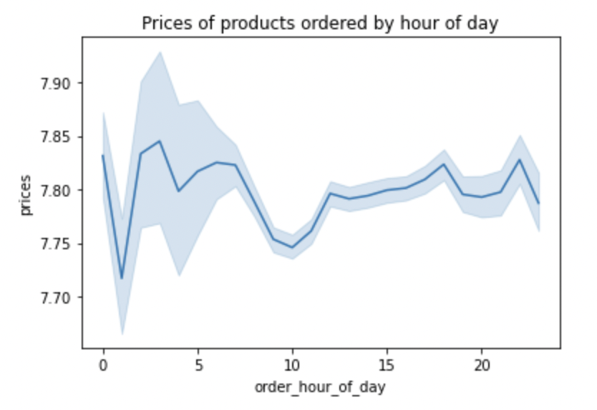
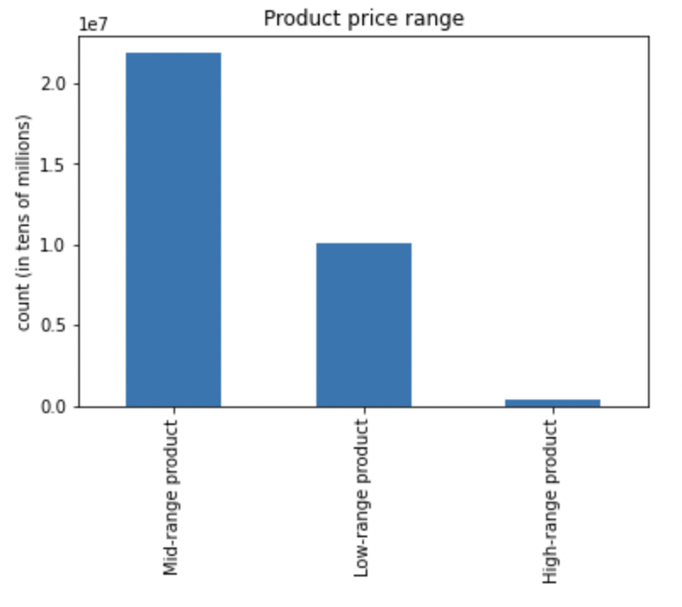
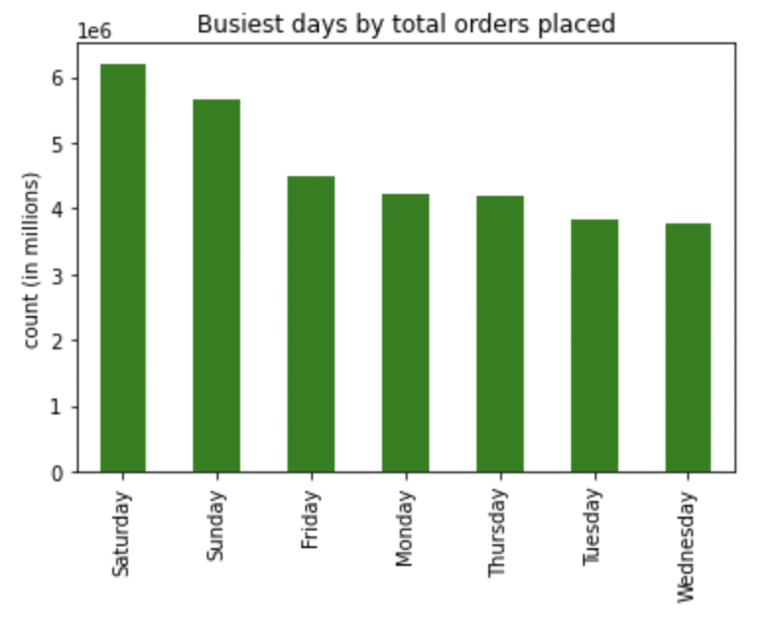

Saturdays and Sundays, or the weekend, are the busiest times for orders.

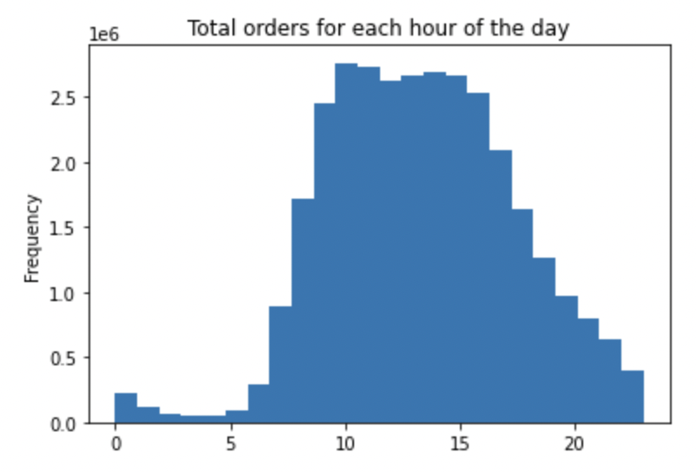
What’s the distribution among users in regards to their brand loyalty (i.e., how often do they return to Instacart)?
Are there differences in ordering habits based on a customer’s loyalty status?

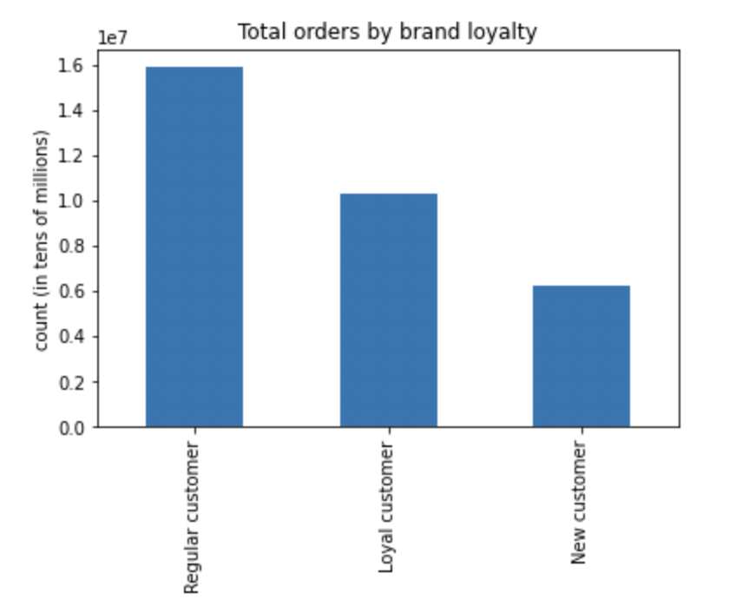
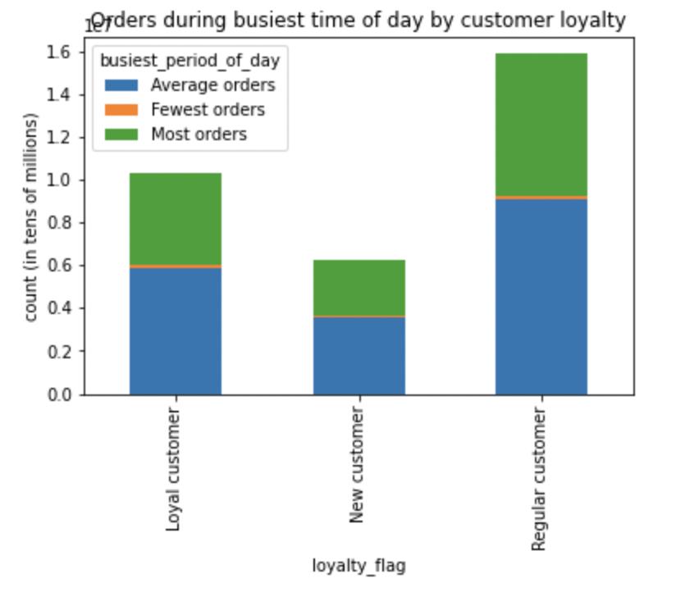

The x-axis represent a 24-hour period, with 0 being midnight. Most orders are placed during regular business hours, or more accurately 9am-4pm.

Are there certain types of products that are more popular than others? The marketing and sales teams want to know which departments have the highest frequency of product
orders.
Are there differences in ordering habits based on a customer’s region?
Is there a connection between age and family status in terms of ordering habits?

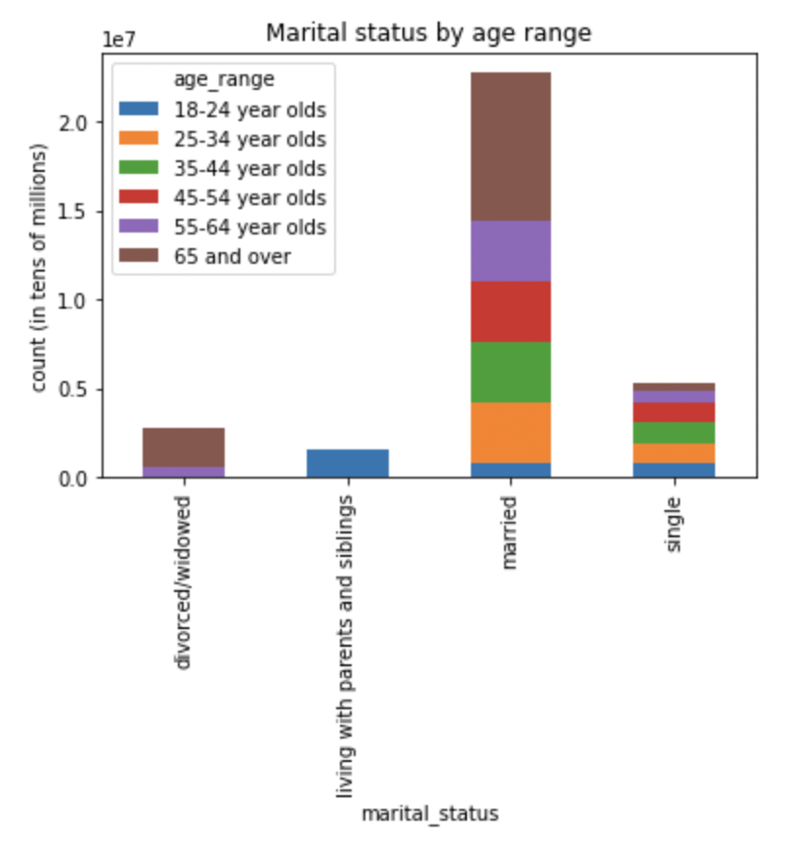
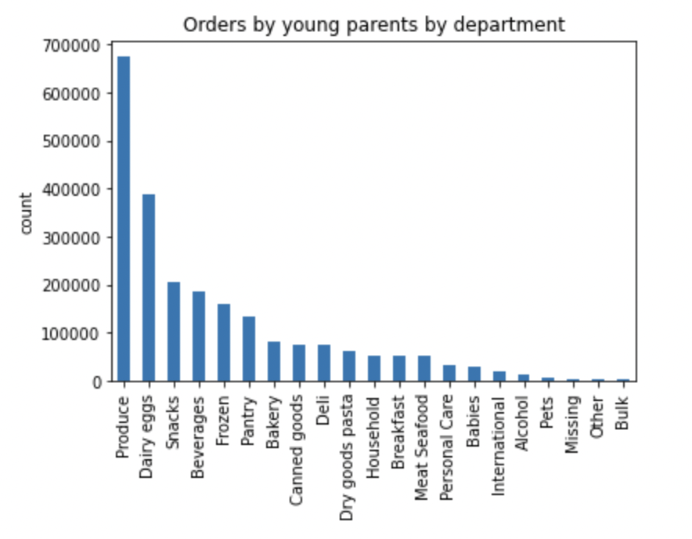
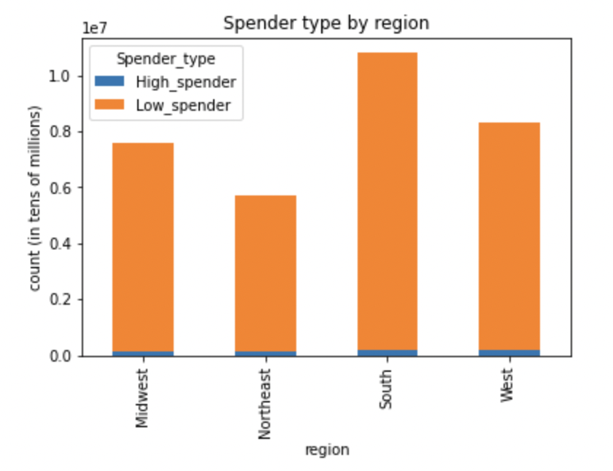

The tope five departments for total orders are: Produce, Dairy eggs, Snacks, Beverages, and Frozen

7. Recommendations
 |  |  |  |  |  |  |  |  | Title page

Recommendations

In this tab you should include any recommendations you would made to Instcart in terms of their marketing strategy based on the questions posed in the brief. Every key question has been covered in the Tasks of the Exercises - here you need to add an item - a visualisation or table/crosstable that is showing the answer in the data, acompanied by a comment from you. Please, list the questions below and add the answer underneath.

Question
Key Question 1 |  | What’s the distribution among users in regards to their brand loyalty (i.e., how often do they return to Instacart)?
Key Question 2 |  | Are there differences in ordering habits based on a customer’s loyalty status?
Key Question 3 |  | Are there differences in ordering habits based on a customer’s region?
Key Question 4 |  | Is there a connection between age and family status in terms of ordering habits?
Key Question 5 |  | What different classifications does the demographic information suggest? Age? Income? Certain types of goods? Family status?
Key Question 6 |  | What differences can you find in ordering habits of different customer profiles? Consider the price of orders, the frequency of orders, the products customers are ordering, and anything else you can think of.

Answers

What’s the distribution among users in regards to their brand loyalty (i.e., how often do they return to Instacart)?
 | Regular customer |  | 15876776
 | Loyal customer |  | 10284093
 | New customer |  | 6243990

 | Loyal customers use Instacart at almost double the rate of new customers, but not as often as general
 | users of the app.

Are there differences in ordering habits based on a customer’s loyalty status?

 | Examining the mean spending habits of each loyalty status shows a weak correlation between
 | their overall orders and whether or not they order at busy or slow times of day.
 | This suggests that loyal customers do not order at busier or slower times at noticeably larger rates
 | than new or regular customers.

 |  |  |  |  |  | Loyal | New | Regular

Are there differences in ordering habits based on a customer’s region?

 | Spender_type |  | Low_spender
 | region
 | Midwest |  | 7441350
 | Northeast |  | 5614511
 | South |  | 10582194
 | West |  | 8132559

 | High spenders across all regions are very small compared to low spenders and do not differentiate
 | much between regions. Meanwhile there are nearly twice as many low spenders in the South as there
 | are in the Northeast. I'd recommend more targeted ads to users in southern states for their
 | lower priced items that they commonly buy.


Is there a connection between age and family status in terms of ordering habits?

 | Many more married Instacart users are in the 65 and over age range. I'd want to examine why this is
 | and adjust our ad campaigns accordingly.

What different classifications does the demographic information suggest? Age? Income? Certain types of goods? Family status?

 | Age: |  | Young, adult, Adult, Middle-age, adult, senior
 | Income: |  | Low income, Middle income, Upper income
 | Family status: |  | married with children, married without children, single with children, single without children

What differences can you find in ordering habits of different customer profiles? Consider the price of orders, the frequency of orders, the products customers are ordering, and anything else you can think of.
Examining the percentages of orders containing items from the "Babies" department can help deduce which young parents from what income level purchase the most goods within that department.
 | Profile: | Young parents (Young adults with Children)

 |  | Income | % of all users | Income | % of all 'young parents' only

 |  | Low | 7.28 | Low | 11.24
 |  | Middle | 79.88 | Middle | 88.34
 |  | Upper | 12.84 | Upper | 0.42

% of all users with "Babies" purchases by income
% of only young parents with "Babies" purchases by income

Young parents in the low income bracket see a small increase in their percentages when compared other young parents of differing incomes. The starkest observation is found with young parents in the upper income bracket, who make essentially negligible purchases in the "Babies" department.

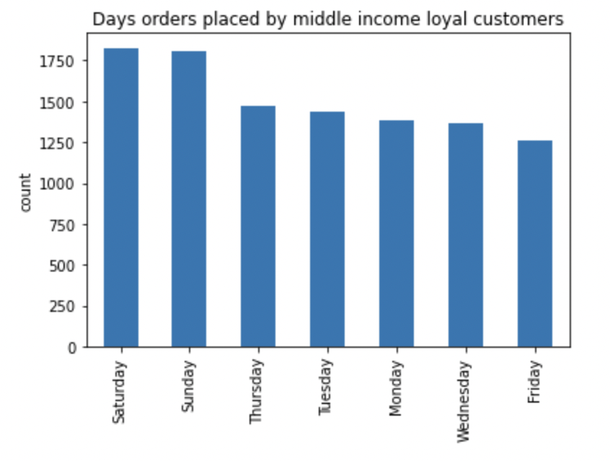
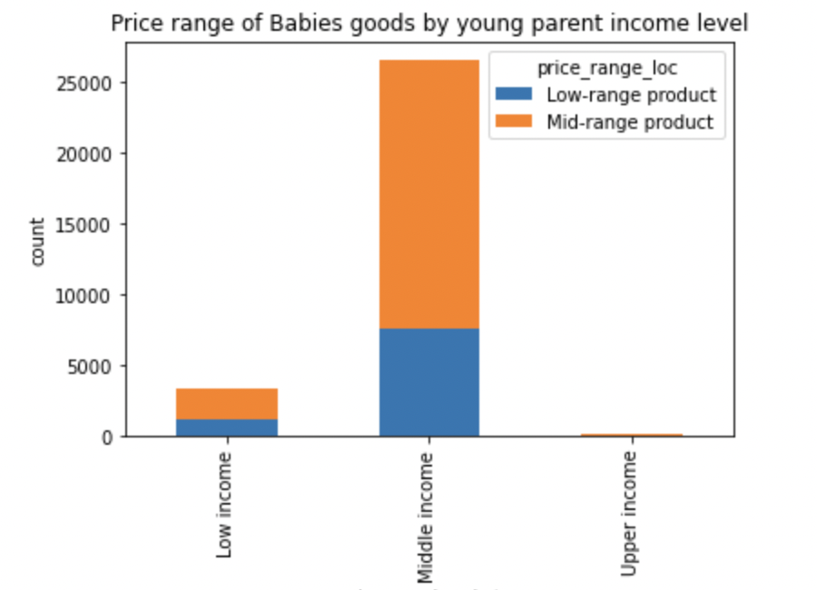

Young parents in the middle income bracket deemed loyal customers by their habits make most of their purchases on Saturdays and Sundays.
Most products are purchased by Middle income young parents, both in total and in each category. Low income parents buy more low-range priced products as a percentage of their purchases than other income levels.

RECOMMENDATIONS
Instacart should consider targeted ads for use of their delivery service on the weekends, with an emphasis on low- and mid-range products within the "Babies" department, particularly for those loyal customers who earn in the middle income bracket.
Based on the analysis performed on young parents who purchase products in the "Babies" department through Instacart, we find that those parents with the highest loyalty to Instacart:
-Buy products in the mid-range price bracket
-Earn within middle income demographic
-Place most of their orders on the weekends

Meanwhile, low income young parents purchase a greater percentage of low-range price products and exhibit a greater percentage of all young parents who purchase baby goods compared to all users across the platform. This suggests that low income earners may prefer to shop Instacart for cheaper baby products more than other sites or demographics.

